Daily Power Station Chart_14-01
Plant_20/01/2025Chart

Plant:odco1 |  |  | Installed Capacity:111.180kWp
Today Yield(kWh):557.800kWh |  | Today Earning:223120.000TND |  | Today Full Load Hours(h):5.02h

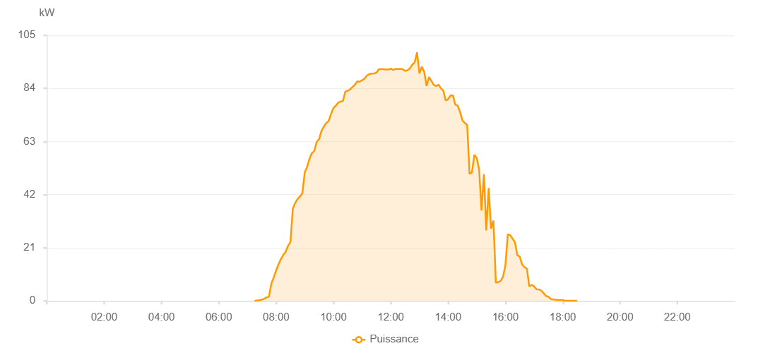

Number | Time | Working State | PV(W) | Instantaneous Radiation(W/㎡)
1 | 07:15:00 | Online | 20.00000 | 0
2 | 07:20:00 | Online | 240.00000 | 0
3 | 07:25:00 | Online | 300.00000 | 0
4 | 07:30:00 | Online | 500.00000 | 2.00000
5 | 07:35:00 | Online | 800.00000 | 3.00000
6 | 07:40:00 | Online | 1360.00000 | 8.00000
7 | 07:45:00 | Online | 1710.00000 | 12.00000
8 | 07:50:00 | Online | 6800.00000 | 18.00000
9 | 07:55:00 | Online | 9240.00000 | 85.00000
10 | 08:00:00 | Online | 12010.00000 | 113.00000
11 | 08:05:00 | Online | 14430.00000 | 148.00000
12 | 08:10:00 | Online | 16520.00000 | 197.00000
13 | 08:15:00 | Online | 18180.00000 | 239.00000
14 | 08:20:00 | Online | 19420.00000 | 270.00000
15 | 08:25:00 | Online | 21780.00000 | 290.00000
16 | 08:30:00 | Online | 23270.00000 | 320.00000
17 | 08:35:00 | Online | 36470.00000 | 346.00000
18 | 08:40:00 | Online | 38760.00000 | 369.00000
19 | 08:45:00 | Online | 40310.00000 | 405.00000
20 | 08:50:00 | Online | 41330.00000 | 430.00000
21 | 08:55:00 | Online | 42640.00000 | 444.00000
22 | 09:00:00 | Online | 50910.00000 | 465.00000
23 | 09:05:00 | Online | 52980.00000 | 482.00000
24 | 09:10:00 | Online | 56310.00000 | 510.00000
25 | 09:15:00 | Online | 58430.00000 | 535.00000
26 | 09:20:00 | Online | 59260.00000 | 558.00000
27 | 09:25:00 | Online | 62860.00000 | 577.00000
28 | 09:30:00 | Online | 63920.00000 | 596.00000
29 | 09:35:00 | Online | 67240.00000 | 618.00000
30 | 09:40:00 | Online | 68930.00000 | 633.00000
31 | 09:45:00 | Online | 70340.00000 | 647.00000
32 | 09:50:00 | Online | 71100.00000 | 666.00000
33 | 09:55:00 | Online | 73910.00000 | 678.00000
34 | 10:00:00 | Online | 76260.00000 | 700.00000
35 | 10:05:00 | Online | 77160.00000 | 717.00000
36 | 10:10:00 | Online | 78370.00000 | 724.00000
37 | 10:15:00 | Online | 78790.00000 | 738.00000
38 | 10:20:00 | Online | 79130.00000 | 751.00000
39 | 10:25:00 | Online | 82780.00000 | 761.00000
40 | 10:30:00 | Online | 83000.00000 | 771.00000
41 | 10:35:00 | Online | 83630.00000 | 778.00000
42 | 10:40:00 | Online | 84610.00000 | 795.00000
43 | 10:45:00 | Online | 85450.00000 | 795.00000
44 | 10:50:00 | Online | 86800.00000 | 806.00000
45 | 10:55:00 | Online | 86640.00000 | 818.00000
46 | 11:00:00 | Online | 87240.00000 | 821.00000
47 | 11:05:00 | Online | 87820.00000 | 829.00000
48 | 11:10:00 | Online | 89020.00000 | 831.00000
49 | 11:15:00 | Online | 89630.00000 | 847.00000
50 | 11:20:00 | Online | 89870.00000 | 856.00000
51 | 11:25:00 | Online | 89920.00000 | 859.00000
52 | 11:30:00 | Online | 90210.00000 | 863.00000
53 | 11:35:00 | Online | 91560.00000 | 869.00000
54 | 11:40:00 | Online | 91660.00000 | 870.00000
55 | 11:45:00 | Online | 91620.00000 | 868.00000
56 | 11:50:00 | Online | 91440.00000 | 879.00000
57 | 11:55:00 | Online | 91440.00000 | 876.00000
58 | 12:00:00 | Online | 91820.00000 | 873.00000
59 | 12:05:00 | Online | 91320.00000 | 884.00000
60 | 12:10:00 | Online | 91720.00000 | 872.00000
61 | 12:15:00 | Online | 91660.00000 | 880.00000
62 | 12:20:00 | Online | 91660.00000 | 876.00000
63 | 12:25:00 | Online | 91580.00000 | 873.00000
64 | 12:30:00 | Online | 90920.00000 | 872.00000
65 | 12:35:00 | Online | 91210.00000 | 871.00000
66 | 12:40:00 | Online | 91910.00000 | 874.00000
67 | 12:45:00 | Online | 93350.00000 | 868.00000
68 | 12:50:00 | Online | 94250.00000 | 904.00000
69 | 12:55:00 | Online | 98230.00000 | 965.00000
70 | 13:00:00 | Online | 89920.00000 | 949.00000
71 | 13:05:00 | Online | 92580.00000 | 861.00000
72 | 13:10:00 | Online | 90520.00000 | 898.00000
73 | 13:15:00 | Online | 84990.00000 | 861.00000
74 | 13:20:00 | Online | 88460.00000 | 852.00000
75 | 13:25:00 | Online | 86990.00000 | 848.00000
76 | 13:30:00 | Online | 85420.00000 | 832.00000
77 | 13:35:00 | Online | 84900.00000 | 812.00000
78 | 13:40:00 | Online | 85490.00000 | 795.00000
79 | 13:45:00 | Online | 84030.00000 | 802.00000
80 | 13:50:00 | Online | 83190.00000 | 783.00000
81 | 13:55:00 | Online | 79170.00000 | 766.00000
82 | 14:00:00 | Online | 79760.00000 | 766.00000
83 | 14:05:00 | Online | 81210.00000 | 774.00000
84 | 14:10:00 | Online | 81300.00000 | 794.00000
85 | 14:15:00 | Online | 77640.00000 | 784.00000
86 | 14:20:00 | Online | 77240.00000 | 750.00000
87 | 14:25:00 | Online | 74750.00000 | 747.00000
88 | 14:30:00 | Online | 71350.00000 | 693.00000
89 | 14:35:00 | Online | 70340.00000 | 648.00000
90 | 14:40:00 | Online | 69540.00000 | 632.00000
91 | 14:45:00 | Online | 50160.00000 | 618.00000
92 | 14:50:00 | Online | 50890.00000 | 194.00000
93 | 14:55:00 | Online | 57770.00000 | 461.00000
94 | 15:00:00 | Online | 56420.00000 | 564.00000
95 | 15:05:00 | Online | 52000.00000 | 537.00000
96 | 15:10:00 | Online | 35760.00000 | 516.00000
97 | 15:15:00 | Online | 50060.00000 | 113.00000
98 | 15:20:00 | Online | 27860.00000 | 486.00000
99 | 15:25:00 | Online | 44650.00000 | 119.00000
100 | 15:30:00 | Online | 28590.00000 | 448.00000
101 | 15:35:00 | Online | 31760.00000 | 186.00000
102 | 15:40:00 | Online | 7230.00000 | 391.00000
103 | 15:45:00 | Online | 7390.00000 | 65.00000
104 | 15:50:00 | Online | 7920.00000 | 66.00000
105 | 15:55:00 | Online | 9510.00000 | 70.00000
106 | 16:00:00 | Online | 14000.00000 | 81.00000
107 | 16:05:00 | Online | 26360.00000 | 327.00000
108 | 16:10:00 | Online | 25970.00000 | 115.00000
109 | 16:15:00 | Online | 24620.00000 | 112.00000
110 | 16:20:00 | Online | 23190.00000 | 108.00000
111 | 16:25:00 | Online | 18110.00000 | 105.00000
112 | 16:30:00 | Online | 17550.00000 | 92.00000
113 | 16:35:00 | Online | 14430.00000 | 83.00000
114 | 16:40:00 | Online | 13320.00000 | 62.00000
115 | 16:45:00 | Online | 12720.00000 | 43.00000
116 | 16:50:00 | Online | 5750.00000 | 35.00000
117 | 16:55:00 | Online | 6360.00000 | 37.00000
118 | 17:00:00 | Online | 5750.00000 | 37.00000
119 | 17:05:00 | Online | 4630.00000 | 37.00000
120 | 17:10:00 | Online | 4550.00000 | 34.00000
121 | 17:15:00 | Online | 4090.00000 | 28.00000
122 | 17:20:00 | Online | 3100.00000 | 22.00000
123 | 17:25:00 | Online | 1940.00000 | 20.00000
124 | 17:30:00 | Online | 1660.00000 | 14.00000
125 | 17:35:00 | Online | 790.00000 | 10.00000
126 | 17:40:00 | Online | 590.00000 | 7.00000
127 | 17:45:00 | Online | 480.00000 | 3.00000
128 | 17:50:00 | Online | 360.00000 | 0
129 | 17:55:00 | Online | 360.00000 | 0
130 | 18:00:00 | Online | 360.00000 | 0
131 | 18:05:00 | Online | 40.00000 | 0
132 | 18:10:00 | Online | 40.00000 | 0
133 | 18:15:00 | Online | 40.00000 | 0
134 | 18:20:00 | Online | 40.00000 | 0
135 | 18:25:00 | Online | 40.00000 | 0
136 | 18:30:00 | Online | 40.00000 | 0
137 | 18:55:00 | Online | 0.00001 | 0.00001

